{LinDuva}_Module06_Transportati
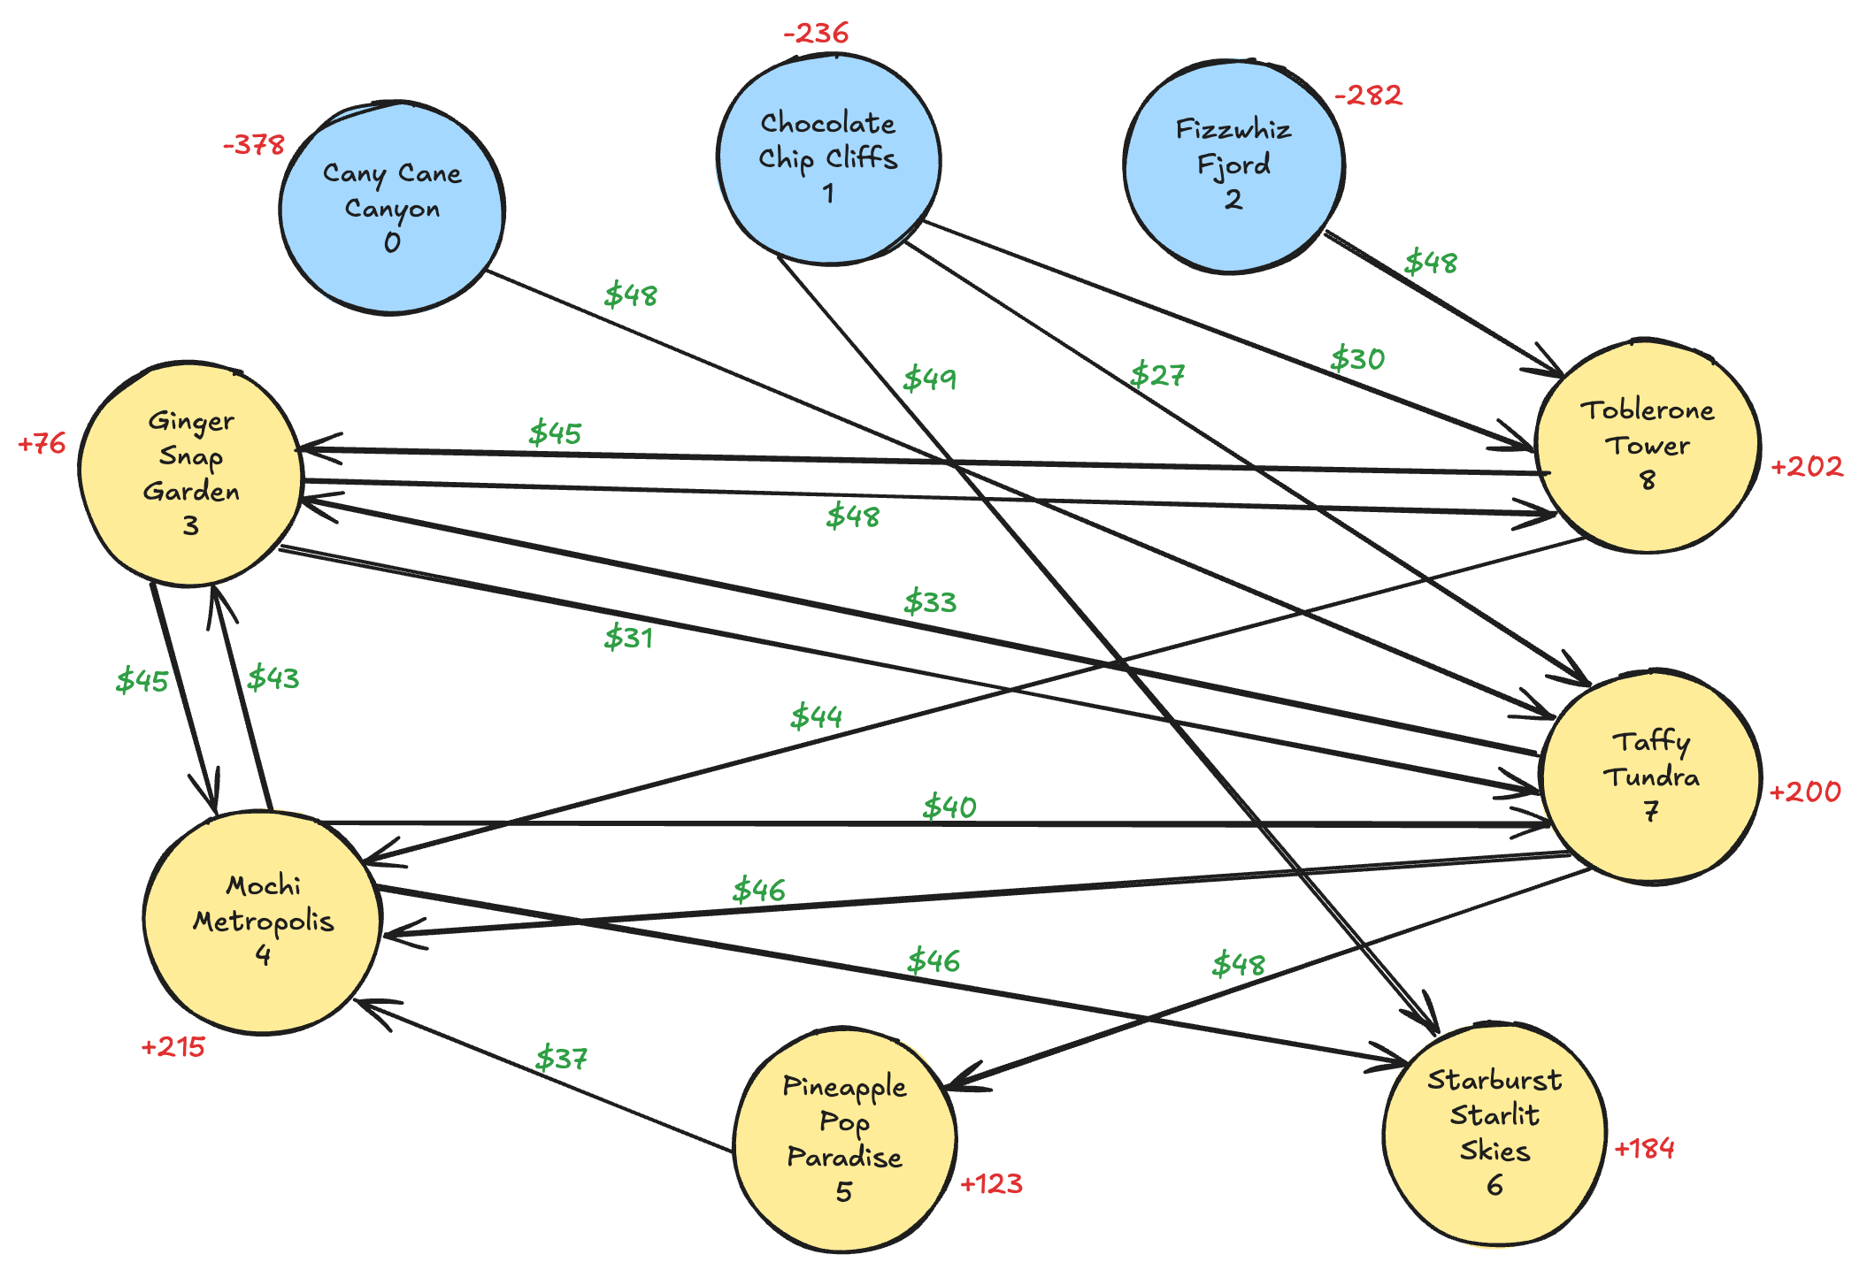
from | to | cost_per_mile
0 | 7 | 48
1 | 6 | 49
1 | 7 | 27
1 | 8 | 30
2 | 8 | 48
3 | 4 | 45
3 | 7 | 31
3 | 8 | 48
4 | 3 | 43
4 | 6 | 46
4 | 7 | 40
5 | 4 | 37
7 | 3 | 33
7 | 4 | 46
7 | 5 | 48
8 | 3 | 45
8 | 4 | 44

